Sheet1
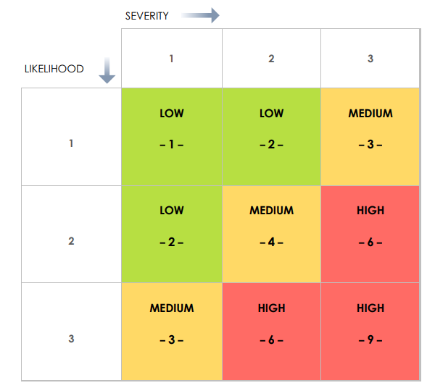
RISK | STATEMENT | RESPONSE | LIKELIHOOD | SEVERITY | RISK LEVEL
Fire | Random fire | Make sure to turn appliances off whilst working | Uncertain | Severe | – 6 –
Wifi Disruption | Connecting too many devices to wifi or issues with ISP may disrupt wifi connection | Make sure not too many devices are connected wifi | Likely | Severe | – 9 –
Poor planning | Poor planning can lead to unproductive work | Make sure to have a clear plan prior to starting work | Unlikely | Moderate | – 2 –
Noise | Noise can disrupt concentration | Make sure to be in a quiet room with doors closed | Likely | Minimal | – 3 –
Family queries | Concentration will get disrupted | Notify them not to disturb whilst working | Likely | Minimal | – 3 –
Illness | Ilness may mean time off work | Keep hydrated, make sure to get adequate rest and make sure room is well ventilated | Uncertain | Severe | – 6 –
Important emails and calls | Can disrupt concentration | Only reply or answer straight away if it's an emergency otherwise deal with it in break time or post-work hours | Likely | Minimal | – 3 –
Errors with project softwares | Can disrupt workflow | Do not open too many apps at any one time | Uncertain | Moderate | – 4 –

